Sheet1
Small Djembe: 840 Pieces |  |  | Segments per Ring: 24 |  |  | Ring Thickness: 0.550" |  |  | Angle: 7.50
 | Board |  | Segment |  |  | Diameter |  | Species
Row | Width | Length | S.E.L. | Outer | Maple | Lgth | Wenge | Lgth | Blood | Lgth | Yello | Lgth | Dimensions: 19.25" x
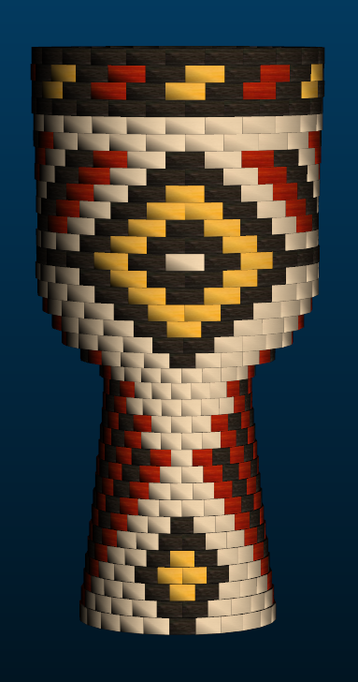
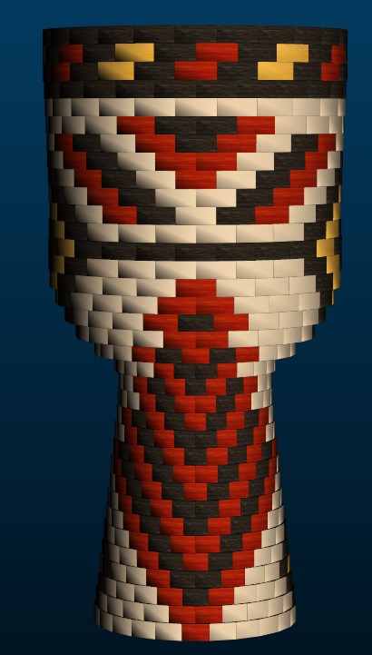
1 | 1 | 14.6 | 0.86 | 6.5" | 16 | 9.7 | 4 | 2.3 | 4 | 2.3
2 | 1 | 15 | 0.84 | 6.4" | 8 | 4.9 | 8 | 4.9 | 8 | 4.9
3 | 1 | 15.4 | 0.82 | 6.2" |  |  | 12 | 7.6 | 8 | 5 | 4 | 2.5
4 | 1 | 15.7 | 0.80 | 6.1" | -8 |  | 16 | 10.4 | 8 | 5.2 | 8 | 5.2
5 | 1 | 16.1 | 0.79 | 6" | -8 |  | 16 | 10.7 | 12 | 8 | 4 | 2.6
6 | 1 | 16.4 | 0.77 | 5.8" | -8 |  | 16 | 10.9 | 16 | 10.9
7 | 1 | 16.7 | 0.75 | 5.7" | -8 |  | 16 | 11.1 | 16 | 11.1
8 | 1 | 17 | 0.74 | 5.6" | -8 |  | 16 | 11.3 | 16 | 11.3
9 | 1 | 17.1 | 0.72 | 5.5" | -12 |  | 16 | 11.3 | 20 | 14.2
10 | 1 | 16.6 | 0.71 | 5.4" | -16 |  | 16 | 11 | 24 | 16.6
11 | 1.2 | 15.8 | 0.69 | 5.2" | -20 |  | 20 | 13.1 | 24 | 15.8
12 | 1.4 | 14.9 | 0.67 | 5.1" | -8 |  | 16 | 9.9 | 16 | 9.9
13 | 1.6 | 14 | 0.66 | 5" | -12 |  | 16 | 9.3 | 20 | 11.6
14 | 1.7 | 13.2 | 0.65 | 4.9" |  |  | 8 | 4.3 | 16 | 8.7
15 | 1.8 | 12.7 | 0.65 | 4.9" | -4 |  | 12 | 6.3 | 16 | 8.4
16 | 1.9 | 13.1 | 0.68 | 5.1" | 8 | 4.3 | 8 | 4.3 | 8 | 4.3
17 | 2.5 | 15.2 | 0.85 | 6.4" |  |  | 12 | 7.6 | 12 | 7.6
18 | 2.2 | 20 | 1.00 | 7.6" | 8 | 6.6 | 8 | 6.6 | 8 | 6.6
19 | 1.6 | 24.1 | 1.09 | 8.3" |  |  | 12 | 12 | 8 | 8 | 4 | 3.9
20 | 1.4 | 26.5 | 1.17 | 8.9" |  |  | 8 | 8.8 | 8 | 8.8 | 8 | 8.8
21 | 1.2 | 28.4 | 1.22 | 9.2" |  |  | 12 | 14.1 | 4 | 4.6 | 8 | 9.4
22 | 1 | 29.3 | 1.22 | 9.3" |  |  | 16 | 19.5 |  |  | 8 | 9.7
23 | 1 | 29.3 | 1.22 | 9.3" | -20 |  | 36 | 44.1 |  |  | 8 | 9.7
24 | 1 | 29.2 | 1.22 | 9.3" |  |  | 16 | 19.4 |  |  | 8 | 9.6
25 | 1 | 29.1 | 1.21 | 9.2" | -12 |  | 20 | 24.2 | 8 | 9.6 | 8 | 9.6
26 | 1 | 29.2 | 1.22 | 9.3" | -8 |  | 16 | 19.4 | 8 | 9.6 | 8 | 9.6
27 | 1 | 29.3 | 1.22 | 9.3" | -8 |  | 16 | 19.5 | 12 | 14.6 | 4 | 4.8
28 | 1 | 29.4 | 1.23 | 9.3" | -8 |  | 16 | 19.6 | 16 | 19.6
29 | 1 | 29.5 | 1.24 | 9.4" | -8 |  | 16 | 19.6 | 16 | 19.6
30 | 1 | 29.6 | 1.24 | 9.4" | 8 | 9.8 | 8 | 9.8 | 8 | 9.8
31 | 1 | 29.8 | 1.25 | 9.5" | 24 | 29.8
32 | 1 | 30 | 1.25 | 9.5" | -24 |  | 48 | 60.1
33 | 1 | 30.1 | 1.26 | 9.6" | -24 |  | 24 | 30.1 | 12 | 15 | 12 | 15
34 | 1 | 29.6 | 1.26 | 9.6" | -24 |  | 24 | 29.6 | 12 | 14.7 | 12 | 14.7
35 | 1 | 28.9 | 1.26 | 9.6" | -24 |  | 48 | 58
 |  |  |  |  |  |  | -200 | 65.1 | 572 | 560.7 | 364 | 296.3 | 104 | 115.1

 |  |  |  | 19.25

